Sheet1
 |  | Document No. | Issue No. | Issue Date |  |  | Review and Replace Date |  | Authorised By
 |  | GFF386MC | 1 | 04.05.2023 |  |  | New issue |  | Magda Shah
 |  | Document Title | Mexcian vegetable Burger 2500g
Document amendments reason for change |  | New Document |  | Page 1 of 1 |  | Previous Issue Date |  | New issue | Uncontrolled copy unless signed original

FMXBL-B25X2T | Gazebo-BULK-SNACKS |  | Mexcian vegetable Burger 2500g | FROZEN

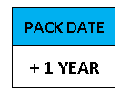   |  |  |  |  | 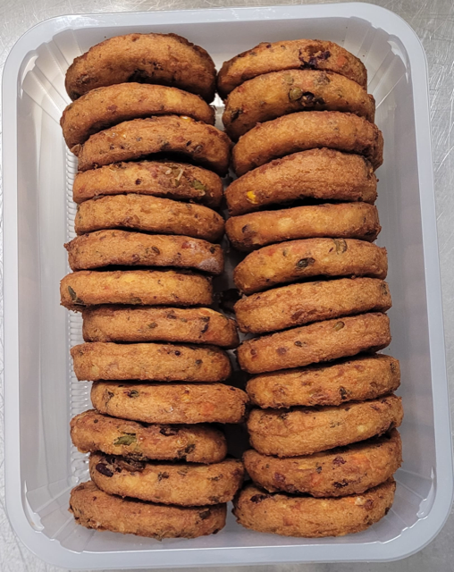

PROCESS TO FOLLOW:
- Freezing Mexcian vegetable burger before packing (HR).
- Pack 25 Mexcian vegetable burger FROZEN in correct tray (NO GAS)

25
pieces

Tray:HW308/96 - OPEN ECO - (PKLEE001-10) |  |  |  |  | 25X Mexcian vegetable Burger (GFF024R) 100g
Film: K Peel RPSM 25µm (340mmX1000lm)-(PKKMP001-5) |  |  |  |  | Total Weight: 2500g
ALLERGY ALERT: NO

